Materials
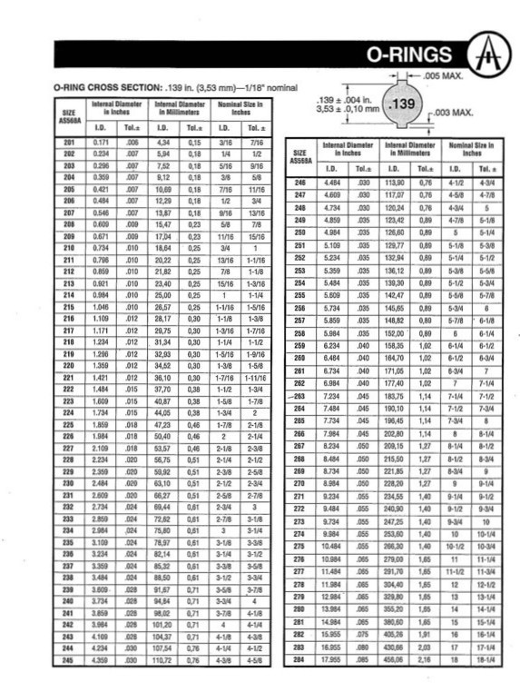
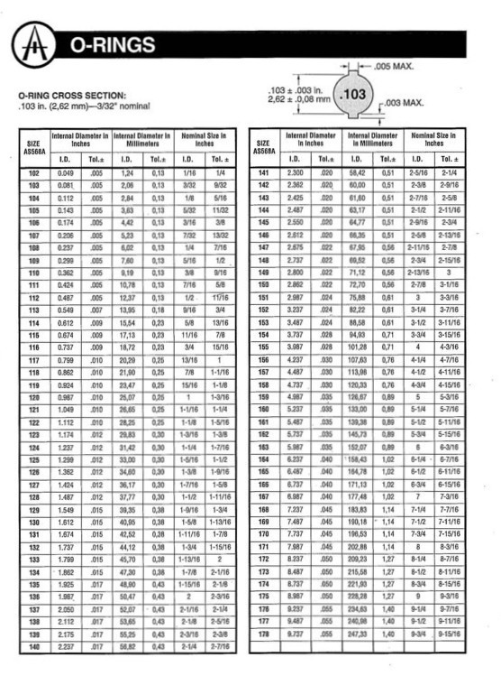
Component | Price | Notes | Example link
Microprocessor: ATMEGA328P DIP-28 (chip only) | $2.16 | Low power processor | https://www.aliexpress.com/item/3256806152938344.html
DIP-28 wide pin socket | $0.78 | To ease assembly and so the processor can be removed from pcb for programming bootloader
Micro SD Storage module | $0.73 | Needed to save data to a sd card | https://www.ebay.com/itm/285436222391
Small 16GB Micro SD Card | $2.20 | Don't need much space but I've had trouble with generic brand cards.Microdrive brand availible on aliexpress | https://www.ebay.com/itm/324736594273
GY-273 HMC5883L Triple Axis Compass Magnetometer Sensor Module | $2.16 | To determine magnetic direction of tidal current | https://www.ebay.com/itm/195942487206
PCF8563T IIC Real Time Clock Module | $1.11 | microoprocessor doesn't have any persistant way of knowing the date/time to log with observations. | https://www.ebay.com/itm/334893472046
DS18B20 Digital Temperature Sensor | $0.69 | Accurate within 0.5 degree C. Low power. Pre-calibrated. | https://www.ebay.com/itm/266531052031
ADXL362 3-Axis Digital Accelerometer Sensor | $2.87 | for tilt sensor design | https://www.ebay.com/itm/354987332435
LM1117 3.3v voltage regulator | $0.43 | Draws 5mA when not in use so will need to be powered down when not in use | https://www.aliexpress.us/item/2255800903886922.html
2N3904 and 2N3906 transistors | $0.40 | for switching on/off sensors, buzzers, etc
5v Buzzer | $0.37 | To give indication of sucessful power on | https://www.aliexpress.us/item/3256806022762450.html
2x Magnetic reed switches | $0.30 |  | https://www.aliexpress.us/item/3256805857131628.html
Single sided copper pcb board | $1.00 | Est cost each… would likely CNC multiple boards at once from a single large sheet | https://www.ebay.com/itm/166452012477
Other assorted electrical components (resistors, diodes, solder, etc) | $2.00 | Just a ballpark cost estimate for now
3x D Battery holders | $2.91 |  | https://www.aliexpress.com/item/3256806302793924.html
PVC Pipe | $5.00
4x O rings 100mm OD 4mm dia | $2.72 |  | https://www.aliexpress.com/item/3256806747371164.html
Assorted stainless screws, stainless swivels, zip ties, mounting hardware,etc | $5.00
3d printing liquid resin | $9.00
3d printing filiment | $3.00
Tax | $3.28
Total | $48.11

Components for alternate deisgns
MCP9808 high Accuracy I2C Temperature Sensor | $3.45 | ±0.25°C/0.0625°C | https://www.ebay.com/itm/276240809847 or https://www.aliexpress.us/item/3256805752894500.html
3x D Alkaline batteries | $4.89
DC-DC Buck Step-down Voltage regulator | $0.99 | Might need to experiment to find a voltage regulator that has a low power draw for standby operation | https://www.ebay.com/itm/113831704809
TS-300B Turbidity Sensor | $6.71 | Designed for washing machines but curious if it could be adapated to measure light attenuation in salt water | https://www.ebay.com/itm/315042911124
SIM800L GPRS GSM Phone Module | $5.44 | If mounted on a surface buoy would allow real time transmission of data and monitoring of hardware issues | https://www.ebay.com/itm/312693114822
GL5516 Photoresistor for ballpark light level estimation? | $0.05 | Would need anti-biofouling device. Not sure if useful proxy for photosynthetically active light levels?
Electrodes & simple circut for conductivity measurement (salinity estimation) | $4.00 | Untested idea. Unclear how quickly it would foul
TDS Sensor Water Conductivity Sensor for Arduino | $3.14 | 3.3~5.5V. Excitation source is an AC signal, effectively preventing probe polarization. Working current: 3~6mA | https://www.aliexpress.us/item/3256801512027885.html
Magnets and bearings for building a magnetically coupled shaft | ?
Ph Sensor | ? | Every cheap sensor I've tried falls out of calibration almost immediately
DIY Laser-induced floresence spectroscopy sensor? | ? | Maybe a fantasy, but cheap DIY approaches for this technique exist that could be done with higher power microprocessors and cheap camera sensors and uv diode lasers. Wonder if technique could be adapted to estimate chlorophyll or detect certain pollutants
Stainless electrode, transistor, and step up boost converter for measuring conductivity??? (salinity) | $4.00 | The microprocessor can easily measure voltage drop across known distance of water. Is this accurate enough to detect typical seawater salinity changes? Curious how long before the electrodes foul from ion buildup
Small DC motor for water flow sensing and battery charging | $3.00 |  | https://www.ebay.com/itm/324283294821
DC-DC boost converter (for charging SLA) | $3.80 | If charging from tidal current driven motor
UB645 6V 4aH Sealed lead acid rechargable battery | $9.62 | SLA batteries are crude but cheap and support continuous topping charges. (H) 3.98 x (L) 2.76 (W) 1.85 diag 3.32 | https://www.amazon.com/Replacement-Battery-Compatible-SLA0905-SLA090-4/dp/B0757MDCN2

O ring options
Nitrile Rubber O-Rings 100mm OD 92mm ID 4mm Width (5 pack) | $5.49
5 PCS Nitrile Rubber O-Rings Black 100mm OD 3.1mm Width | $4.84
Nitrile Rubber O-Rings 110mm OD 102mm ID 4mm Widthpack of 10 | $7.69

